Test Case 1
Test Case ID |  | TC_practical_008 | Test Case Desc | Create the test cases for Google Classrom Web Application.
Created By |  | Shreya Jaiswal | Reviewed By | Suhani Dehankar |  | Version |  | 1.0
Tester's Name |  |  | Date Tested |  |  | Test Case Status

# | Prerequisites: |  |  | # | Test Data
1 | Access to Internet. |  |  | 1
2 | Chrome Browser. |  |  | 2
3 | Google Account. |  |  | 3
4 | Google Classroom Web Application. |  |  | 4

Test Scenario | Verify that Google Classroom Web Application functions correctly.

Step # | Step Details |  | Expected Results | Actual Results |  |  | Pass/Fail
1 | Open Google Classroom Web application. |  | 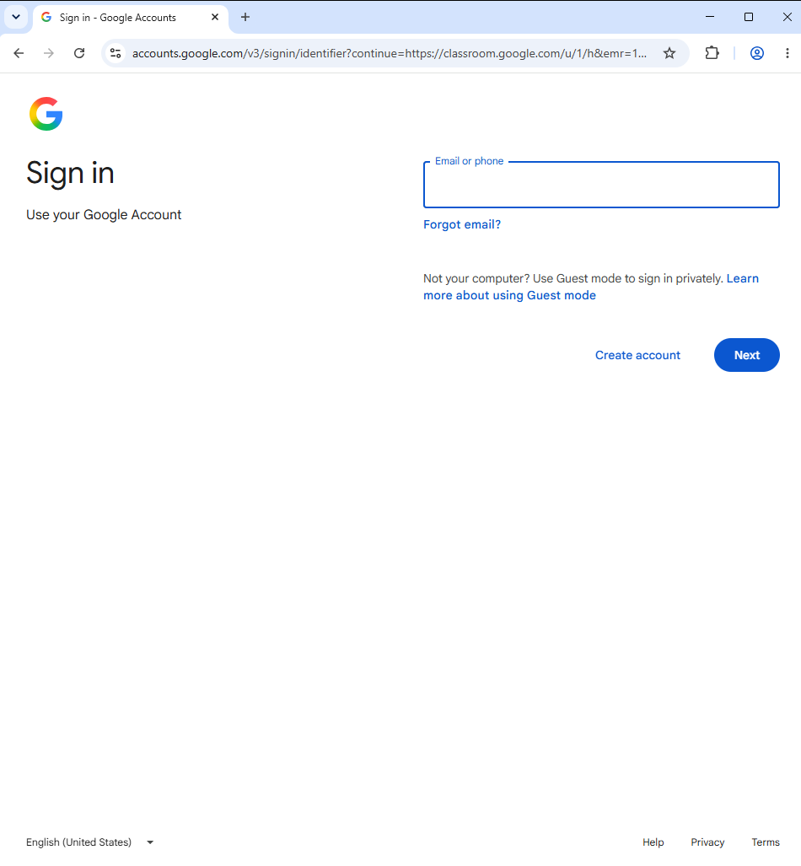 Verify Google Classroom login/home page is displayed.
2 | Enter a valid password Google email ID. |  | Verify the emaiI ID should be accepted.
3 | Enter a vaild password. |  | Verify the password should be accepted.
4 | Click the sign in button. |  | Verify user should be successfully logged in to Google classroom.
5 | Click the classroom home page after login. |  | 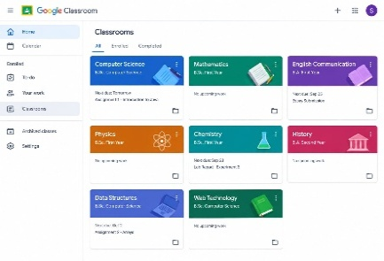 Verify the classroom home page should be displayed.
6 | Click the +(Add) button. |  | Verify options such as join class and create class should be displayed.
7 | Click jion class. |  | Verify the join class page should be displayed.
8 | Enter a valid class code. |  | Verify the class code should be accepted.
9 | Click the join button. |  | Verify user should successfully join the class.
10 | Open an existing class. |  | Verify the selected class page should be displayed.
11 | Click the people tab. |  | Verify teachers and students in the class should be displayed.
12 | Click the classwork tab. |  | Verify classwork and assignment should be displayed.
13 | Open an assignment. |  | Verify the selected details should be displayed.
14 | Clisk the stream tab. |  | Verify the class stream should be displayed.
15 | Click view assignment. |  | Verify the complete assignment page shouid be displayed.
16 | Attach a file to an assignment. |  | Verify the selected file should be attached successfully.
17 | Click the turn in button. |  | Verify the assignment should be submitted successfully.
18 | Enter a comment on a class post. |  | Verify the comment should be entered successfully.
19 | Click post after entering a comment. |  | Verify the comment should be posted and displayed.
20 | Click the Google Classroom profile icon. |  | Verify user's account information/opetions should be displayed.

